Software reqs
 |  |  |  |  |  |  |  |  |  |  |  |  |  |  |  | SW Requirements | SW Architecture | SW Design | SW Code | SW Unit Testing | SW Integration Testing | SW Validation Testing
Program |  |  |  | Door Control Module
Reference Documents |  |  |  | Proyecto_DoorControlModule | Requirement Properties
Reviewed by |  |  |  | Antonio de Jesus Aguilar Mota |  |  |  |  |  |  |  |  |  |  | Extra requirement traceability information Comments and deviations
 |  |  |  |  | Necesary | Unambiguous | Feasible | Implementation free | Complete | Concise | Consistent | Maintainable | Traceable to origin | Verifiable
 | Id | Type | Section | Requirements |  |  |  |  |  |  |  |  |  |  | Review Comment
 | 1 | Non-Functional | General System Description | The system shall not cost more than 9 USD (U.S. Dollars) per unit. | X |  | X | X | X | X | X | X | X | X | No comments to add
 | 2 | Non-Functional | General System Description | The supplier shall be capable to produce 100,000 units per year. | X | X |  | X | X | X | X | X | X | X | No comments to add
 | 3 | Non-Functional | General System Description | The systems shall assure system proper behavior for at least 10 years. | X | X | X | X | X | X | X | X | X |  | No comments to add
 | 4 | Non-Functional | General System Description | The supplier shall produce the system for 5 years consecutive with the possibility to extend this period. | X | X | X | X | X | X | X | X | X |  | No comments to add
 | 5 | Non-Functional | General System Description | This system will have Human Machine Interfaces that will interact with the user to control the system for Door Locking and Window Control functionalities. | X |  | X | X | X | X | X | X | X | X | No comments to add
 | 6 | Functional | General System Description | The system shall be able to perform Window Control operation either Manual Mode or CAN network Request per individual Door. | X | X | X | X | X | X | X | X | X | X | No comments to add
 | 7 | Functional | General System Description | The system shall be capable to Determine Window Position and Report Window Position on CAN network per individual Door. | X | X | X | X | X | X | X | X | X | X | No comments to add
 | 8 | Functional | General System Description | Driver Door shall be capable to request Window Control Operation on CAN network when user request via HMI. | X | X | X | X | X | X | X | X | X | X | No comments to add
 | 9 | Functional | General System Description | The system shall be capable to Determine Door Lock Position and Report Door Lock Position on CAN network per individual Door. | X | X | X | X | X | X | X | X | X | X | No comments to add
 | 10 | Functional | General System Description | The system shall be able to attend Door Locking Operation requests via CAN network per individual Door. | X | X | X | X | X | X | X | X | X | X | No comments to add
 | 11 | Functional | General System Description | Driver Door and Passenger Door shall be capable to request Door Locking Operation on CAN network when user request via HMI. | X | X | X | X | X | X | X | X | X | X | No comments to add
 | 12 | Functional | General System Description | Driver Door shall be able to report Block Rear Window operation on CAN network. | X | X | X | X | X | X | X | X | X | X | No comments to add
 | 13 | Non-Functional | General System Description | The system will interact with the rest of the vehicle via CAN network. | X |  | X | X | X | x | x | X | X | X | No comments to add
 | 14 | Functional | Safety Goal | Window Control shall be capable to detect window obstacles while closing and stop operation. The primary operation is to detect those obstacles in order to trigger a CANCEL_WINDOW_ACTUATION during a CLOSE_WINDOW_ACTUATION on the corresponding window. Emergency operation: Perform OPEN_WINDOW_ACTUATION after CLOSE_WINDOW_ACTUATION on corresponding window. ASILB FTTI 100ms | X | X | X | X | X | X | X | X | X | X | No comments to add
 | 15 | Non-Functional | Door Locking | Door locking function will be used to control the corresponding Door Solenoid that is used to lock and unlock the corresponding Door. | X | X | X | X | X | X | X | X | X | X | No commnts to add
 | 16 | Non-Functional | Door Locking | 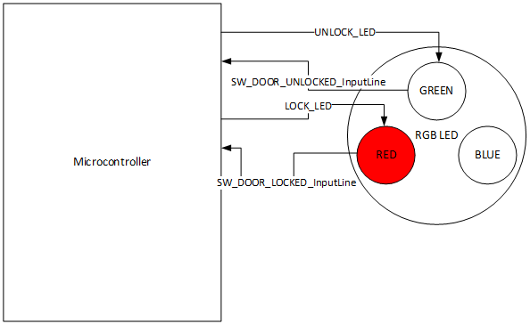 LOOK_DOOR_ACTUATION will be executed when the operation to lock the door is executed. The secuence shall be: 1.- Turn off UNLOCK_LED 2.- Hold States during 100ms 3.- Turn on LOCK_LED | X | X | X | X | X | X | X | X | X | X | No comments to add
 | 17 | Functional | Door Locking | 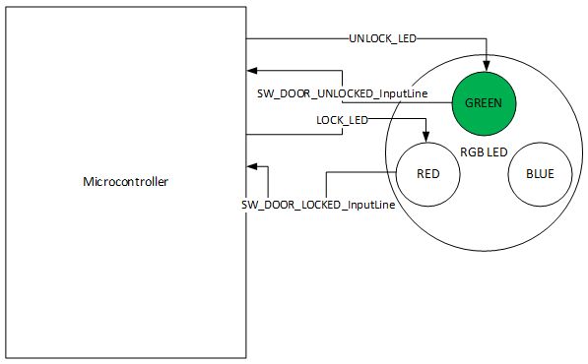 LOOK_DOOR_ACTUATION will be executed when the operation to unlock the door is executed. The secuence shall be: 1.- Turn off LOCK_LED 2.- Hold States during 100ms 3.- Turn on UNLOCK_LED | X | X | X | X | X | X | X | X | X | X | No comments to add
 | 18 | Non-Functional | Door Locking Manual Mode | Driver Door and Passenger Door shall be allowed to execute Door locking Manual Mode. | X | X | X | X | X | X | X | X | X | X | No comments to add
 | 19 | Functional | Door Locking Manual Mode | LOCK_DOOR_ACTUATION will be executed when LOCK_BTN of the DCU transitions from BTN_NOT_PRESSED to BTN_PRESSED | X | X | X | X | X | X | X | X | X | X | No comments to add
 | 20 | Functional | Door Locking Manual Mode | UNLOCK_DOOR_ACTUATION will be executed when UNLOCK_BTN of the DCU transitions from BTN_NOT_PRESSED to BTN_PRESSED. | X | X | X | X | X | X | X | X | X | X | No comments to add
 | 21 | Functional | Door Locking Manual Mode | If both Buttons LOCK_BTN and UNLOCK_BTN are pressed then the operation shall not be executed. | X | X | X | X | X | X | X | X | X | X | No comments to add
 | 22 | Functional | Door Locking Manual Mode | If both Buttons LOCK_BTN and UNLOCK_BTN are not pressed then no action shall be done. | X | X | X | X | X | X | X | X | X | X | No comments to add
 | 23 | Functional | Door Locking Remote Operation | All Doors shall execute Door locking for Remote Operation from BCM request via CAN network if the message is authenticated from the correspondign source. | X | X | X | X | X | X | X | X | X | X | No comments to add
 | 24 | Functional | Door Locking Remote Operation | LOCK_DOOR_ACTUATION will be executed when signal BCM_2.ConfortCmd transitions from No Cmd to LockCmd. | X | X | X | X | X | X | X | X | X | X | No comments to add
 | 25 | Functional | Door Locking Remote Operation | UNLOCK_DOOR_ACTUATION will be executed when signal BCM_2.ConfortCmd transitions from No Cmd to UnlockAllCmd or transitions from UnlockDrvrCmd to UnlockAllCmd. | X | X | X | X | X | X | X | X | X | X | No comments to add
 | 26 | Functional | Door Locking Remote Operation | For Driver Door only UNLOCK_DOOR_ACTUATION will be executed when signal BCM_2.ConfortCmd transitions from No Cmd to UnlockDrvrCmd. | X | X | X | X | X | X | X | X | X | X | No comments to add
 | 27 | Non-Functional | Door Locking Remote Operation | Depending on the Door, Locking operations shall be executed from requests from Driver Door or Passenger Door. | X | X | X | X | X | X | X | X | X | X | No comments to add
 | 28 | Functional | Door Locking Remote Operation | Passenger Door shall execute LOCK_DOOR_ACTUATION when signal DCU_1.LockingReq transitions from NO_LOCKING_REQ to LOCK_REQ. | X | X | X | X | X | X | X | X | X | X | No comments to add
 | 29 | Functional | Door Locking Remote Operation | Passenger Door shall execute UNLOCK_DOOR_ACTUATION when signal DCU_1.LockingReq transitions from NO_LOCKING_REQ to UNLOCK_REQ. | X | X | X | X | X | X | X | X | X | X | No comments to add
 | 30 | Functional | Door Locking Remote Operation | RearLeft Door shall execute LOCK_DOOR_ACTUATION when signal DCU_1.LockingReq transitions from NO_LOCKING_REQ to LOCK_REQ. | X | X | X | X | X | X | X | X | X | X | No comments to add
 | 31 | Functional | Door Locking Remote Operation | RearLeft Door shall execute UNLOCK_DOOR_ACTUATION when signal DCU_1.LockingReq transitions from NO_LOCKING_REQ to UNLOCK_REQ. | X | X | X | X | X | X | X | X | X | X | No comments to add
 | 32 | Functional | Door Locking Remote Operation | RearRightDoor shall execute LOCK_DOOR_ACTUATION when signal DCU_1.LockingReq transitions from NO_LOCKING_REQ to LOCK_REQ. | X | X | X | X | X | X | X | X | X | X | No comments to add
 | 33 | Functional | Door Locking Remote Operation | RearRightDoor shall execute UNLOCK_DOOR_ACTUATION when signal DCU_1.LockingReq transitions from NO_LOCKING_REQ to UNLOCK_REQ. | X | X | X | X | X | X | X | X | X | X | No comments to add
 | 34 | Functional | Door Locking Remote Operation | RearLeft Door shall execute LOCK_DOOR_ACTUATION when signal DCU_2.LockingReq transitions from NO_LOCKING_REQ to LOCK_REQ. | X | X | X | X | X | X | X | X | X | X | No comments to add
 | 35 | Functional | Door Locking Remote Operation | RearLeft Door shall execute UNLOCK_DOOR_ACTUATION when signal DCU_2.LockingReq transitions from NO_LOCKING_REQ to UNLOCK_REQ. | X | X | X | X | X | X | X | X | X | X | No comments to add
 | 36 | Functional | Door Locking Remote Operation | RearRightDoor shall execute LOCK_DOOR_ACTUATION when signal DCU_2.LockingReq transitions from NO_LOCKING_REQ to LOCK_REQ. | X | X | X | X | X | X | X | X | X | X | No comments to add
 | 37 | Functional | Door Locking Remote Operation | RearRightDoor shall execute UNLOCK_DOOR_ACTUATION when signal DCU_2.LockingReq transitions from NO_LOCKING_REQ to UNLOCK_REQ. | X | X | X | X | X | X | X | X | X | X | No comments to add
 | 38 | Functional | Door Lock Status Determination | Door shall be considered as locked if SW_DOOR_LOCKED is determined as SW_ACTIVE. | X | X | X | X | X | X | X | X | X | X | No comments to add
 | 39 | Functional | Door Lock Status Determination | Door shall be considered as Unlocked if SW_DOOR_UNLOCKED is determined as SW_ACTIVE. ERROR | X | X | X | X | X | X | X | X | X | X | No comments to add
 | 40 | Functional | Door Lock Status Determination | Door Lock shall be considered as ERROR if SW_DOOR_LOCKED and SW_DOOR_UNLOCKED are determined as SW_ACTIVE or if SW_DOOR_LOCKED and SW_DOOR_UNLOCKED are determined as SW_INACTIVE. | X | X | X | X | X | X | X | X | X | X | No comments to add
 | 41 | Functional | Door Lock Status Report | For Driver Door, it shall report the determined Lock Status via DCU_1.DoorLockSts. | X | X | X | X | X | X | X | X | X | X | No comments to add
 | 42 | Functional | Door Lock Status Report | For Passenger Door, it shall report the determined Lock Status via DCU_2.DoorLockSts. | X | X | X | X | X | X | X | X | X | X | No comments to add
 | 43 | Functional | Door Lock Status Report | For RearLeft Door, it shall report the determined Lock Status via DCU_3.DoorLockSts. | X | X | X | X | X | X | X | X | X | X | No comments to add
 | 44 | Functional | Door Lock Status Report | For RearRight Door, it shall report the determined Lock Status via DCU_4.DoorLockSts. | X | X | X | X | X | X | X | X | X | X | No comments to add
 | 45 | Functional | Auto Lock While Driving | If at least one of the DoorLockSts (from DCU_1, DCU_2, DCU_3 and DCU_4) is equal to DOOR_UNLOCK and Vehicle Speed indicates equal or greater than 20km/h and System Power Mode is equal to RUN then Driver Door shall report command LockingReq as LOCK_REQ. This request will be received by BCM and reported as ConfortCmd with value LockCmd. This complete sequence shall not take more than 500ms since Vehicle Speed and System Power Mode are met. | X | X | X | X | X | X | X | X | X | X | No comments to add
 | 46 | Non-Functional | Window Control | Window Control function shall be used to control the corresponding Window DC motor that is used to Open and Close the corresponding Window. | X | X | X | X | X | X | X | X | X | X | No comments to add
 | 47 | Functional | Window Control | If there is not a Window Control Actuation then ECU shall report IDLE Window operation on the corresponding CAN frame. | X | X | X | X | X | X | X | X | X | X | No comments to add
 | 48 | Functional | Window Control | Driver Door shall report DCU_1.WindowOp as WINDOW_IDLE. | X | X | X | X | X | X | X | X | X | X | No comments to add
 | 49 | Functional | Window Control | Passenger Door shall report DCU_2.WindowOp as WINDOW_IDLE. | X | X | X | X | X | X | X | X | X | X | No comments to add
 | 50 | Functional | Window Control | RearLeft Door shall report DCU_3.WindowOp as WINDOW_IDLE. | X | X | X | X | X | X | X | X | X | X | No comments to add
 | 51 | Functional | Window Control | RearRight Door shall report DCU_4.WindowOp as WINDOW_IDLE. | X | X | X | X | X | X | X | X | X | X | No comments to add
 | 52 | Functional | Open Window Actuation | OPEN_WINDOW_ACTUATION shall be executed only when WINDOW_POSITION is different than COMPLETELY_OPEN and WINDOW_POSITION is different than ERROR. This function is executed when there are transitions from Picture in descendant order. There is a 500ms delay between every transition from one picture to another. Sequence will stop when conditions are no longer present. Requirement 146 is de diagram with the transistions. | X | X | X | X | X | X | X | X |  | X | No comments to add
 | 53 | Functional | Open Window Actuation | During OPEN_WINDOW_ ACTUATION each ECU shall report its window operation on the corresponding CAN frame. | X | X | X | X | X | X | X | X | X | X | No comments to add
 | 54 | Functional | Open Window Actuation | Driver Door shall report DCU_1.WindowOp as WINDOW_DOWN. | X | X | X | X | X | X | X | X | X | X | No comments to add
 | 55 | Functional | Open Window Actuation | Passenger Door shall report DCU_2.WindowOp as WINDOW_ DOWN. | X | X | X | X | X | X | X | X | X | X | No comments to add
 | 56 | Functional | Open Window Actuation | RearLeft Door shall report DCU_3.WindowOp as WINDOW_ DOWN. | X | X | X | X | X | X | X | X | X | X | No comments to add
 | 57 | Functional | Open Window Actuation | RearRight Door shall report DCU_4.WindowOp as WINDOW_ DOWN. | X | X | X | X | X | X | X | X | X | X | No comments to add
 | 58 | Functional | Global open window actuaction | GLOBAL_OPEN_WINDOW_ACTUATION shall be executed only when WINDOW_POSITION is different than COMPLETELY_OPEN and WINDOW_POSITION is different than ERROR. This function is executed when there are transitions from Picture in descendant order. There is a 500ms delay between every transition from one picture to another. Sequence will stop when window is considered as COMPLETELY_OPEN. Requirement 146 is de diagram with the transistions. | X | X | X | X | X | X | X | X |  | X | No comments to add
 | 59 | Functional | Global open window actuaction | During GLOBAL_OPEN_WINDOW_ ACTUATION each ECU shall report its window operation on the corresponding CAN frame. | X | X | X | X | X | X | X | X | X | X | No comments to add
 | 60 | Functional | Global open window actuaction | Driver Door shall report DCU_1.WindowOp as WINDOW_DOWN. | X | X | X | X | X | X | X | X | X | X | No comments to add
 | 61 | Functional | Global open window actuaction | Passenger Door shall report DCU_2.WindowOp as WINDOW_ DOWN. | X | X | X | X | X | X | X | X | X | X | No comments to add
 | 62 | Functional | Global open window actuaction | RearLeft Door shall report DCU_3.WindowOp as WINDOW_ DOWN. | X | X | X | X | X | X | X | X | X | X | No comments to add
 | 63 | Functional | Global open window actuaction | RearRight Door shall report DCU_4.WindowOp as WINDOW_ DOWN. | X | X | X | X | X | X | X | X | X | X | No comments to add
 | 64 | Functional | Close window actuaction | GLOBAL_CLOSE_WINDOW_ACTUATION shall be executed only when WINDOW_POSITION is different from COMPLETELY_CLOSE and WINDOW_POSITION is different than ERROR. This function is executed when there are transitions from Picture in ascendant order. There is a 500ms delay between every transition from one picture to another. Sequence will stop when conditions are no longer present. | X | X | X | X | X | X | X | X | X | X | No comments to add
 | 65 | Functional | Close window actuaction | During CLOSE_WINDOW_ ACTUATION each ECU shall report its window operation on the corresponding CAN frame. | X | X | X | X | X | X | X | X | X | X | No comments to add
 | 66 | Functional | Close window actuaction | Driver Door shall report DCU_1.WindowOp as WINDOW_UP. | X | X | X | X | X | X | X | X | X | X | No comments to add
 | 67 | Functional | Close window actuaction | Passenger Door shall report DCU_2.WindowOp as WINDOW_UP. | X | X | X | X | X | X | X | X | X | X | No comments to add
 | 68 | Functional | Close window actuaction | RearLeft Door shall report DCU_3.WindowOp as WINDOW_UP. | X | X | X | X | X | X | X | X | X | X | No comments to add
 | 69 | Functional | Close window actuaction | RearRight Door shall report DCU_4.WindowOp as WINDOW_UP. | X | X | X | X | X | X | X | X | X | X | No comments to add
 | 70 | Functional | Global close window actuation | CLOSE_WINDOW_ACTUATION shall be executed only when WINDOW_POSITION is different from COMPLETELY_CLOSE and WINDOW_POSITION is different than ERROR. This function is executed when there are transitions from Picture in ascendant order. There is a 500ms delay between every transition from one picture to another. Sequence will stop when window is considered as COMPLETELY_CLOSED. | X | X | X | X | X | X | X | X | X | X | No comments to add
 | 71 | Functional | Global close window actuation | During GLOBAL_CLOSE_WINDOW_ ACTUATION each ECU shall report its window operation on the corresponding CAN frame. | X | X | X | X | X | X | X | X | X | X | No comments to add
 | 72 | Functional | Global close window actuation | Driver Door shall report DCU_1.WindowOp as WINDOW_UP | X | X | X | X | X | X | X | X | X | X | No comments to add
 | 73 | Functional | Global close window actuation | Passenger Door shall report DCU_2.WindowOp as WINDOW_UP. | X | X | X | X | X | X | X | X | X | X | No comments to add
 | 74 | Functional | Global close window actuation | RearLeft Door shall report DCU_3.WindowOp as WINDOW_UP. | X | X | X | X | X | X | X | X | X | X | No comments to add
 | 75 | Functional | Global close window actuation | RearRight Door shall report DCU_4.WindowOp as WINDOW_UP. | X | X | X | X | X | X | X | X | X | X | No comments to add
 | 76 | Functional | Cancel Window Actuation | CANCEL_WINDOW_ACTUATION shall be executed to move the Window Control to IDLE. This actuation can be executed only when there is a Window control Actuation On Going and it abort current actuation. | X | X | X | X | X | X | X | X | X | X | No comments to add
 | 77 | Functional | Cancel Window Actuation | CANCEL_WINDOW_ACTUATION shall be executed when all the LED stop keeping current position. | X | X | X | X | X | X | X | X | X | X | No comments to add
 | 78 | Functional | Window Control Manual Mode | Short Button Press If a Button transitions from BTN_NOT_PRESSED to BTN_PRESSED and BTN_NOT_PRESSED within a time <= 500ms then it shall be considered as a SHORT_BTN_PRESS. | X | X | X | X | X | X | X | X | X | X | No comments to add
 | 79 | Functional | Window Control Manual Mode | Long Button Press If a Button transitions from BTN_NOT_PRESSED to BTN_PRESSED and BTN_NOT_PRESSED within a time > 500ms and <=10000ms then it shall be considered as a LONG_BTN_PRESS. | X | X | X | X | X | X | X | X | X | X | No comments to add
 | 80 | Functional | Window Control Manual Mode | Button Stuck If a Button transitions from BTN_NOT_PRESSED to BTN_PRESSED and BTN_NOT_PRESSED within a time > 10000ms then it shall be considered as a BTN_STUCK. | X | X | X | X | X | X | X | X | X | X | No comments to add
 | 81 | Functional | Window Control Manual Mode | All Doors shall be allowed to execute manual Window Control from its corresponding OPEN_BTN and CLOSE_BTN states. | X | X | X | X | X | X | X | X | X | X | No comments to add
 | 82 | Functional | Window Control Manual Mode | Driver Door and Passenger Door shall execute GLOBAL_OPEN_WINDOW_ACTUATION when its OPEN_BTN state is equal to SHORT_BTN_PRESS. | X | X | X | X | X | X | X | X | X | X | No comments to add
 | 83 | Functional | Window Control Manual Mode | Driver Door and Passenger Door shall execute GLOBAL_CLOSE_WINDOW_ACTUATION when its CLOSE_BTN state is equal to SHORT_BTN_PRESS. | X | X | X | X | X | X | X | X | X | X | No comments to add
 | 84 | Functional | Window Control Manual Mode | Driver Door and Passenger Door shall execute OPEN_WINDOW_ACTUATION when its OPEN_BTN state is equal to LONG_BTN_PRESS. | X | X | X | X | X | X | X | X | X | X | No comments to add
 | 85 | Functional | Window Control Manual Mode | Driver Door and Passenger Door shall execute CLOSE_WINDOW_ACTUATION when its CLOSE_BTN state is equal to LONG_BTN_PRESS. | X | X | X | X | X | X | X | X | X | X | No comments to add
 | 86 | Functional | Window Control Manual Mode | RearLeft Door and RearRight Door shall execute GLOBAL_OPEN_WINDOW_ACTUATION when its OPEN_BTN state is equal to SHORT_BTN_PRESS and DCU_1.RearWindowLock is equal to REAR_WINDOW_UNBLOCK. | X | X | X | X | X | X | X | X | X | X | No comments to add
 | 87 | Functional | Window Control Manual Mode | RearLeft Door and RearRight Door shall execute GLOBAL_CLOSE_WINDOW_ACTUATION when its CLOSE_BTN state is equal to SHORT_BTN_PRESS and DCU_1.RearWindowLock is equal to REAR_WINDOW_UNBLOCK. | X | X | X | X | X | X | X | X | X | X | No comments to add
 | 88 | Functional | Window Control Manual Mode | RearLeft Door and RearRight Door shall execute OPEN_WINDOW_ACTUATION when its OPEN_BTN state is equal to LONG_BTN_PRESS and DCU_1.RearWindowLock is equal to REAR_WINDOW_UNBLOCK. | X | X | X | X | X | X | X | X | X | X | No comments to add
 | 89 | Functional | Window Control Manual Mode | RearLeft Door and RearRight Door shall execute CLOSE_WINDOW_ACTUATION when its CLOSE_BTN state is equal to LONG_BTN_PRESS and DCU_1.RearWindowLock is equal to REAR_WINDOW_UNBLOCK. | X | X | X | X | X | X | X | X | X | X | No comments to add
 | 90 | Functional | Window Control Manual Mode | Driver Door shall report WINDOW_UP_REQ on WindowControl_Passenger bits position when PASSENGER_OPEN_BTN state is equal to SHORT_BTN_PRESS or LONG_BTN_PRESS. | X | X | X | X | X | X | X | X | X | X | No comments to add
 | 91 | Functional | Window Control Manual Mode | Driver Door shall report WINDOW_DOWN_REQ on WindowControl_ Passenger position when PASSENGER _CLOSE_BTN state is equal to SHORT_BTN_PRESS or LONG_BTN_PRESS. | X | X | X | X | X | X | X | X | X | X | No comments to add
 | 92 | Functional | Window Control Manual Mode | Driver Door shall report WINDOW_UP_REQ on WindowControl_RearLeft bits position when REARLEFT_OPEN_BTN state is equal to SHORT_BTN_PRESS or LONG_BTN_PRESS. | X | X | X | X | X | X | X | X | X | X | No comments to add
 | 93 | Functional | Window Control Manual Mode | Driver Door shall report WINDOW_DOWN_REQ on WindowControl_ RearLeft position when REARLEFT _CLOSE_BTN state is equal to SHORT_BTN_PRESS or LONG_BTN_PRESS. | X | X | X | X | X | X | X | X | X | X | No comments to add
 | 94 | Functional | Window Control Manual Mode | Driver Door shall report WINDOW_UP_REQ on WindowControl_RearRight bits position when REARRIGHT_OPEN_BTN state is equal to SHORT_BTN_PRESS or LONG_BTN_PRESS. | X | X | X | X | X | X | X | X | X | X | No comments to add
 | 95 | Functional | Window Control Manual Mode | Driver Door shall report WINDOW_DOWN_REQ on WindowControl_ RearRight position when REARRIGHT _CLOSE_BTN state is equal to SHORT_BTN_PRESS or LONG_BTN_PRESS. | X | X | X | X | X | X | X | X | X | X | No comments to add
 | 96 | Functional | Window Control Manual Mode | Driver Door shall report REAR_WINDOW_BLOCK on DCU_1. RearWindowLock bits position while REAR_WINDOW_LOCK_BTN state is equal to BTN_PRESSED. | X | X | X | X | X | X | X | X | X | X | No comments to add
 | 97 | Functional | Window Control Manual Mode | Driver Door shall report REAR_WINDOW_UNBLOCK on DCU_1. RearWindowLock bits position while REAR_WINDOW_LOCK_BTN state is equal to BTN_NOT_PRESSED. | X | X | X | X | X | X | X | X | X | X | No comments to add
 | 98 | Functional | Window Control Remote Operation | All Doors shall be allowed to execute Door locking for Remote Operation from BCM request via CAN network. | X | X | X | X | X | X | X | X | X | X | No commetns to add
 | 99 | Functional | Window Control Remote Operation | OPEN_WINDOW_ACTUATION will be executed when signal BCM_2.ConfortCmd is received consecutively at least during 500ms UnlockAllCmd. | X | X | X | X | X | X | X | X | X | X | No comments to add
 | 100 | Functional | Window Control Remote Operation | CANCEL_WINDOW ACTUATION will be executed when BCM_2.ConfortCmd transitions to No Cmd or WINDOW_POSITION is equal to COMPLETELY_OPEN during an OPEN_WINDOW_ACTUATION. | X | X | X | X | X | X | X | X | X | X | No comments to add
 | 101 | Functional | Window Control Remote Operation | CLOSE_WINDOW_ACTUATION will be executed when signal BCM_2.ConfortCmd is received consecutively at least during 500ms LockCmd. | X | X | X | X | X | X | X | X | X | X | No comments to add
 | 102 | Functional | Window Control Remote Operation | CANCEL_WINDOW ACTUATION will be executed when BCM_2.ConfortCmd transitions to No Cmd or WINDOW_POSITION is equal to COMPLETELY_CLOSE during an CLOSE_WINDOW_ACTUATION. | X | X | X | X | X | X | X | X | X | X | No comments to add
 | 103 | Functional | Window Control Remote Operation | Passenger Door will be allowed to execute Door locking for Remote Operation from DCU 1 request via CAN network. | X | X | X | X | X | X | X | X | X | X | No comments to add
 | 104 | Functional | Window Control Remote Operation | OPEN_WINDOW_ACTUATION will be executed on Passenger Door when signal DCU_1. WindowControl is received with value WINDOW_DOWN_REQ on WindowControl_Passenger bits position. | X | X | X | X | X | X | X | X | X | X | No comments to add
 | 105 | Functional | Window Control Remote Operation | CANCEL_WINDOW_ACTUATION will be executed when signal DCU_1. WindowControl is received with value WINDOW_NO_REQ on WindowControl_Passenger bits position or Passenger Door WINDOW_POSITION is equal to COMPLETELY_OPEN during an OPEN_WINDOW_ACTUATION. | X | X | X | X | X | X | X | X | X | X | No comments to add
 | 106 | Functional | Window Control Remote Operation | CLOSE_WINDOW_ACTUATION will be executed on Passenger Door when signal DCU_1. WindowControl is received with value WINDOW_UP_REQ on WindowControl_Passenger bits position. | X | X | X | X | X | X | X | X | X | X | No comments to add
 | 107 | Functional | Window Control Remote Operation | CANCEL_WINDOW_ACTUATION will be executed when signal DCU_1. WindowControl is received with value WINDOW_NO_REQ on WindowControl_Passenger bits position or Passenger Door WINDOW_POSITION is equal to COMPLETELY_CLOSE during an OPEN_WINDOW_ACTUATION. | X | X | X | X | X | X | X | X | X | X | No comments to add
 | 108 | Functional | Window Control Remote Operation | RearLeft Door is allowed to execute Door locking for Remote Operation from DCU 1 request via CAN network. | X | X | X | X | X | X | X | X | X | X | No comments to add
 | 109 | Functional | Window Control Remote Operation | OPEN_WINDOW_ACTUATION will be executed on RearLeft Door when signal DCU_1. WindowControl is received with value WINDOW_DOWN_REQ on WindowControl_ RearLeft bits position. | X | X | X | X | X | X | X | X | X | X | No comments to add
 | 110 | Functional | Window Control Remote Operation | CANCEL_WINDOW_ACTUATION will be executed when signal DCU_1. WindowControl is received with value WINDOW_NO_REQ on WindowControl_ RearLeft bits position or RearLeft Door WINDOW_POSITION is equal to COMPLETELY_OPEN during an OPEN_WINDOW_ACTUATION. | X | X | X | X | X | X | X | X | X | X | No comments to add
 | 111 | Functional | Window Control Remote Operation | CLOSE_WINDOW_ACTUATION will be executed on RearLeft Door when signal DCU_1. WindowControl is received with value WINDOW_UP_REQ on WindowControl_ RearLeft bits position. | X | X | X | X | X | X | X | X | X | X | No comments to add
 | 112 | Functional | Window Control Remote Operation | CANCEL_WINDOW_ACTUATION will be executed when signal DCU_1. WindowControl is received with value WINDOW_NO_REQ on WindowControl_ RearLeft bits position or RearLeft Door WINDOW_POSITION is equal to COMPLETELY_CLOSE during an OPEN_WINDOW_ACTUATION. | X | X | X | X | X | X | X | X | X | X | No comments to add
 | 113 | Functional | Window Control Remote Operation | RearRight Door is allowed to execute Door locking for Remote Operation from DCU 1 request via CAN network. | X | X | X | X | X | X | X | X | X | X | No comments to add
 | 114 | Functional | Window Control Remote Operation | OPEN_WINDOW_ACTUATION will be executed on RearRight Door when signal DCU_1. WindowControl is received with value WINDOW_DOWN_REQ on WindowControl_ RearRight bits position. | X | X | X | X | X | X | X | X | X | X | No comments to add
 | 115 | Functional | Window Control Remote Operation | CANCEL_WINDOW_ACTUATION will be executed when signal DCU_1. WindowControl is received with value WINDOW_NO_REQ on WindowControl_ RearRight bits position or RearRight Door WINDOW_POSITION is equal to COMPLETELY_OPEN during an OPEN_WINDOW_ACTUATION. | X | X | X | X | X | X | X | X | X | X | No comments to add
 | 116 | Functional | Window Control Remote Operation | CLOSE_WINDOW_ACTUATION will be executed on RearRight Door when signal DCU_1. WindowControl is received with value WINDOW_UP_REQ on WindowControl_ RearRight bits position. | X | X | X | X | X | X | X | X | X | X | No comments to add
 | 117 | Functional | Window Control Remote Operation | CANCEL_WINDOW_ACTUATION will be executed when signal DCU_1. WindowControl is received with value WINDOW_NO_REQ on WindowControl_ RearRight bits position or RearRight Door WINDOW_POSITION is equal to COMPLETELY_CLOSE during an OPEN_WINDOW_ACTUATION. | X | X | X | X | X | X | X | X | X | X | No comments to add
 | 118 | Non-Functional | AntiPich Operation | ANTIPINCH_SIGNAL should be a Digital Input on the systems that reports when an Anti-pinch Event has occurred. ANTIPINCH_SIGNAL has a dedicated instance per Door. | X | X | X | X | X | X | X | X | X | X | No comments to add
 | 119 | Non-Functional | AntiPich Operation | ANTIPINCH_SIGNAL will report the Anti-pich Event using an Analog input 10 bits resolution. | X | X | X | X | X | X | X | X | X | X | No comments to add
 | 120 | Functional | AntiPich Operation | Anti pinc event shall be detected If the Analog signal transitions from below the threshold to above the threshold. Use 820 ADC counts as threshold reference. | X | X | X | X | X | X | X | X | X | X | No comments to add
 | 121 | Functional | AntiPich Operation | ANTIPINCH_SIGNAL will report the Anti-pinch Event only during CLOSE_WINDOW_ACTUATION or GLOBAL_CLOSE_WINDOW_ACTUATION. | X | X | X | X | X | X | X | X | X | X | No comments to add
 | 122 | Functional | AntiPich Operation | If ANTIPINCH_SIGNAL is present then an immediate CANCEL_WINDOW_ACTUATION shall be executed. Then a GLOBAL_OPEN_ACTUATION shall be executed. After GLOBAL_OPEN_ACTUATION is finished the CLOSE_WINDOW_ACTUATION and GLOBAL_CLOSE_WINDOW_ACTUATION shall be inhibit during 15 seconds for Manual Mode or Remote Operation for the corresponding Door. | X | X | X | X | X | X | X | X | X | X | No comments to add
 | 123 | Functional | Window Position Determination | WINDOW_ COMPLETELY_OPEN Window shall be considered as COMPLETELY_OPEN if SW_WINDOW_OPEN is determined as SW_INACTIVE and SW_WINDOW_CLOSE is determined as SW_INACTIVE. | X | X | X | X | X | X | X | X | X | X | No comments to add
 | 124 | Functional | Window Position Determination | WINDOW_ COMPLETELY_CLOSE Window shall be considered as COMPLETELY_CLOSE if SW_WINDOW_OPEN is determined as SW_ACTIVE and SW_WINDOW_CLOSE is determined as SW_ACTIVE. | X | X | X | X | X | X | X | X | X | X | No comments to add
 | 125 | Functional | Window Position Determination | WINDOW_IN_BETWEEN Window shall be considered as IN_BETWEEN if SW_WINDOW_OPEN is determined as SW_ACTIVE and SW_WINDOW_CLOSE is determined as SW_INACTIVE. | X | X | X | X | X | X | X | X | X | X | No comments to add
 | 126 | Functional | Window Position Determination | 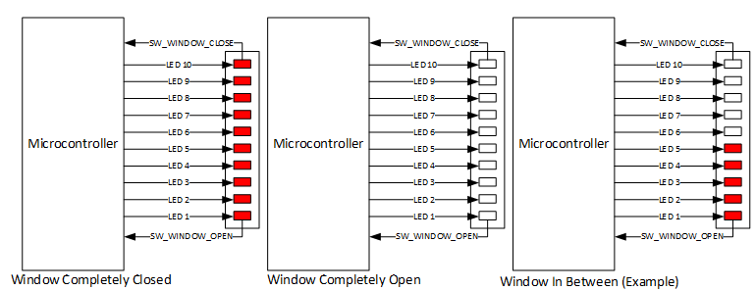 WINDOW_ERROR Window shall be considered as IN_BETWEEN if SW_WINDOW_CLOSE is determined as SW_ACTIVE and SW_WINDOW_OPEN is determined as SW_INACTIVE. | X | X | X | X | X | X | X | X | X | X | No comments to add
 | 127 | Functional | Window Position Report | For Driver Door, it shall report the determined Lock Status via DCU_1. WindowPos. | X | X | X | X | X | X | X | X | X | X | No comments to add
 | 128 | Functional | Window Position Report | For Passenger Door, it shall report the determined Lock Status via DCU_2. WindowPos. | X | X | X | X | X | X | X | X | X | X | No comments to add
 | 129 | Functional | Window Position Report | For RearLeft Door, it shall report the determined Lock Status via DCU_3. WindowPos. | X | X | X | X | X | X | X | X | X | X | No comments to add
 | 130 | Functional | Window Position Report | For RearRight Door, it shall report the determined Lock Status via DCU_4. WindowPos. | X | X | X | X | X | X | X | X | X | X | No comments to add
 | 131 | Functional | Button Debounce | In order to use a mechanism to discard glitches on the buttons a debounce mechanism shall be used. | X | X | X | X | X | X | X | X | X | X | No comments to add
 | 132 | Functional | Button Debounce | All the buttons used on the system shall use a inverted logic. This means they will be consider as ACTIVE when they are in Low state. Idle state shall be high. | X | X | X | X | X | X | X | X | X | X | No comments to add
 | 133 | Functional | Button Debounce | A threshold shall be used to indicate when the Button can be consider as matured (BTN_PRESSED ) or Dematured (BTN_NOT_PRESSED). | X | X | X | X | X | X | X | X | X | X | No comments to add
 | 134 | Non-Functional | Button Debounce | Threshold value to determine a BTN_PRESSED will be 50ms (6 counts). | X | X | X | X | X | X | X | X | X | X | No comments to add
 | 135 | non-Functional | Button Debounce | Threshold value to determine a BTN_NOT_ PRESSED will be 50ms (6 counts). | X | X | X | X | X | X | X | X | X | X | No comments to add
 | 136 | non-Functional | Button Debounce | 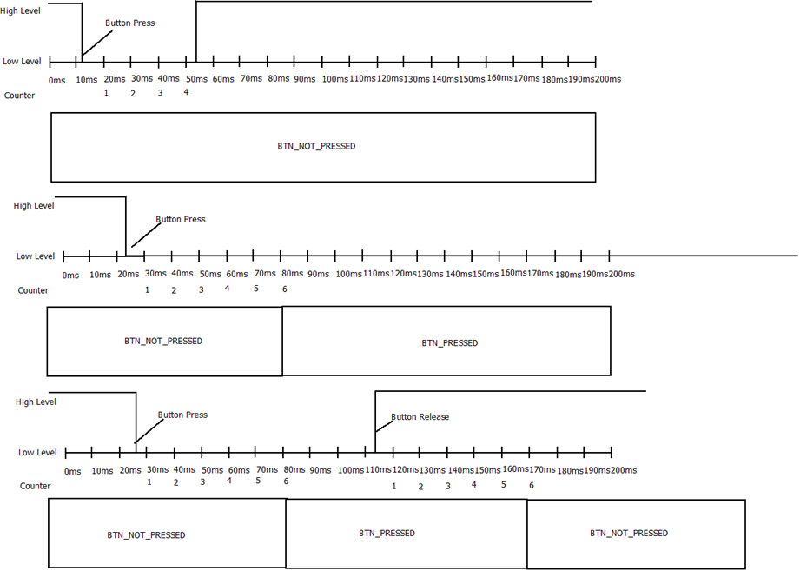 The Button position will be evaluated periodically every 10ms. | X | X | X | X | X | X | X | X | X | X | No comments to add
 | 137 | Functional | Switch Position Debounce | All the buttons used on the system shall use a positive logic. This means they will be consider as ACTIVE when they are in High state. Idle state shall be Low. | X | X | X | X | X | X | X | X | X | X | No comments to add
 | 138 | non-Functional | Switch Position Debounce | Threshold value to determine a BTN_PRESSED will be 30ms (4 counts). | X | X | X | X | X | X | X | X | X | X | No comments to add
 | 139 | non-Functional | Switch Position Debounce | Threshold value to determine a BTN_NOT_ PRESSED will be 30ms (4 counts). | X | X | X | X | X | X | X | X | X | X | No comments to add
 | 140 | non-Functional | Switch Position Debounce | 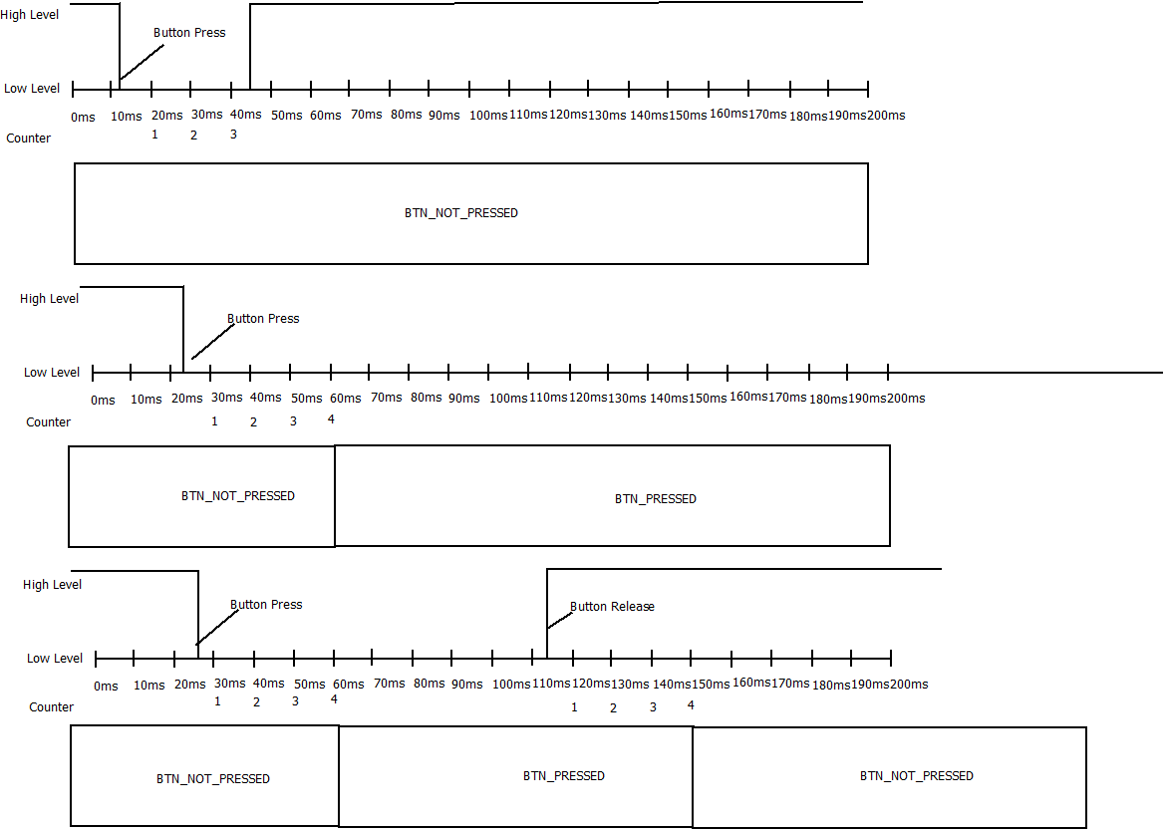 The Switch position will be evaluated periodically every 10ms. | X | X | X | X | X | X | X | X | X | X | No comments to add
 | 141 | Functional | Solenoid Control | Solenoid Behavior will be model with an RGB LED that will be used to indicate when the Door is LOCK or UNLOCK | X | X | X | X | X | X | X | X | X | X | No comments to add
 | 142 | non-Functional | Solenoid Control | RGB will become Green (0,100,0) in order to indicate Door is UNLOCK | X | X | X | X | X | X | X | X | X | X | No comments to add
 | 143 | non-Functional | Solenoid Control | RGB will become Red (100,0,0) in order to indicate Door is LOCK | X | X | X | X | X | X | X | X | X | X | No comments to add
 | 144 | Functional | Solenoid Control | Any other value shall be considered invalid. | X | X | X | X | X | X | X | X | X | X | No comments to add
 | 145 | Functional | Window Control Feedback | Window Behavior will be model with an 10 RED LED BAR that will be used to indicate window position and window operations | X | X | X | X | X | X | X | X | X | X | No comments to add
 | 146 | non-Functional | Window Control Feedback | It will be controlled using 10 digital outputs and the window actuation will be displayed as an animation with 500ms delay between transitions. | X | X | X | X | X | X | X | X | X | X | No comments to add
 | 147 | Functional | HW Diagnostics Selenoid Error | In case Door Lock is considered as ERROR then Door Locking functionality shall be disable until next power cycle. (Transition OFF-> RUN) | X | X | X | X | X | X | X | X | X | X | No comments to add
 | 148 | Functional | HW Diagnostics Button stuck | Inc ase a Buttin is considered as Stuck, thant button shall be ignore until next power Cycle (Transition OFF-> RUN) | X | X | X | X | X | X | X | X | X | X | No comments to add
 | 149 | Functional | HW Diagnostics Window Error | In case window is considered as WINDOW_ERROR then Window Control functionality shall be disable until next power cycle. (Transition OFF-> RUN) | X | X | X | X | X | X | X | X | X | X | No comments to add
 | 150 | Non-Functional | SW Variant | There will be only 1 Software variant for all the DCU. The behavior of each one will depends on the configuration. | X | X | X | X | X | X | X | X | X | X | No comments to add
 | 151 | Functional | SW Variant Configuration | SW Variant Configuration will be done through 2 configuration jumpers. Depending on the state of the jumpers is the intended behavior of the DCU. | X | X | X | X | X | X | X | X | X | X | No comments to add
 | 152 | non-Functional | Can Data Base | The system will be a CAN Node of the Comfort Network. Physical Characteristics: • Dual Wire (CAN High and CAN Low) • Baud rate 125 Kbps | X | X | X | X | X | X | X | X | X | X | No comment to add.
 | 153 | Functional | frame BCM_5 | Message layout Signals Description SysPwrMode: This Signal contains the system power mode that will be used for the ECU to know the Ignition status of the system. Enumeration values are listed below: • 0x00 (SNA) Signal Not Available. • 0x01 (OFF) Vehicle is off. • 0x02 (ACC) Vehicle is in Accessory. • 0x03 (RUN) Vehicle is in Run Mode. • 0x04 (CRANK) Vehicle is doing Ignition. • Values different than this shall be considered as INVALID Data. BCM_5_MC: This is the Message counter of the BCM_5 frame. This signal shall go between 0 and 255 with increments of 1. This signal shall be updated every time the telegram is transmitted. If the signal reaches its limit(255), then the counter value shall initialize as 0. BCM_5_CMAC: This is a 32 bytes CMAC used to authenticate the source of this message. If the CMAC is not valid then the content of the whole message shall be ignored. | X | X | X | X | X | X | X | X | X | X | No comments to add
 | 154 | Functional | Frame BCM_2 | Message layout Signals Description ConfortCmd: This Signal contains the Confort Command and it represents the confort operation for the Vehicle • 0x00 (No Cmd) No command to execute. • 0x01 (LockCmd) Represents Lock Command. • 0x02 (UnlockAllCmd) Represents Unlock Command for all Doors. • 0x03 (UnlockDrvrCmd) Represents Unlock Command for Driver Door only. • Values different than this shall be considered as INVALID Data. BCM_2_MC: This is the Message counter of the BCM_2 frame. This signal shall go between 0 and 255 with increments of 1. This signal shall be updated every time the telegram is transmitted. If the signal reaches its limit (255), then the counter value shall initialize as 0. BCM_2_CMAC: This is a 32 bytes CMAC used to authenticate the source of this message. If the CMAC is not valid then the content of the whole message shall be ignored. | X | X | X | X | X | X | X | X | X | X | No comments to add
 | 155 | Functional | Frame BRAKE_2 | Message Layout Signals Description Vehicle Speed_H: This signal contains the 2 bits more significant of the Vehicle Speed value. Vehicle Speed_L: This signal contains the 8 bits less significant of the Vehicle Speed value. Vehicle Speed Signal is a 10 bits signal and is represented as follow Vehicle Speed = (uint16) ((Vehicle Speed_H <<8)| Vehicle Speed_L) Signal Range goes from 0 to 0x03FF. (0 to 1023 in Decimal) Resolution bit is equal to 0.25Km/h. This means a value of 0x0100 is equal to 64 Km/h. BRAKE_2_MC: This is the Message counter of the BRAKE_2 frame. This signal shall go between 0 and 255 with increments of 1. This signal shall be updated every time the telegram is transmitted. If the signal reaches its limit (255), then the counter value shall initialize as 0. BRAKE_2_CRC: This is the Cyclic Redundancy Check for BRAKE_2 frame. This signal shall be calculated with and CRC8 algorithm from Byte0 to Byte5. | X | X | X | X | X | X | X | X | X | X | No comments to add
 | 156 | Functional | Frame TRANSM_2 | Message Layout Signals Description ShiftLeverPos: This Signal contains the Shift Lever Position • 0x00 (PARK) Shift Lever Position is in PARK position. • 0x01 (DRIVE_1) Shift Lever Position is in DRIVE_1 position. • 0x02 (DRIVE_2) Shift Lever Position is in DRIVE_2 position. • 0x03 (DRIVE_3) Shift Lever Position is in DRIVE_3 position. • 0x04 (NEUTRAL) Shift Lever Position is in NEUTRAL position. • 0x05 (MANUAL) Shift Lever Position is in MANUAL position. • 0x06 (REVERSE) Shift Lever Position is in REVERSE position. • 0x07 (SNA) Shift Lever Position is a Signal Not Available. • Values different than this shall be considered as INVALID Data. TRANSM_2_MC: This is the Message counter of the TRANSM_2 frame. This signal shall go between 0 and 255 with increments of 1. This signal shall be updated every time the telegram is transmitted. If the signal reaches its limit (255), then the counter value shall initialize as 0. TRANSM_2_CRC: This is the Cyclic Redundancy Check for TRANSM_2 frame. This signal shall be calculated with and CRC8 algorithm from Byte0 to Byte5. | X | X | X | X | X | X | X | X | X | X | No comments to add
 | 157 | Functional | Frame TRANSM_4 | Message Layout Signals Description ShiftLeverEng: This Signal contains the Shift Lever Position Engaged. • 0x00 (SHIFT_LEVER_NOT_ENGAGED) Shift Lever Position is not engaged. • 0x01 (SHIFT_LEVER_ENGAGED) Shift Lever Position is engaged. • Values different than this shall be considered as INVALID Data. TRANSM_4_MC: This is the Message counter of the TRANSM_4 frame. This signal shall go between 0 and 255 with increments of 1. This signal shall be updated every time the telegram is transmitted. If the signal reaches its limit (255), then the counter value shall initialize as 0. TRANSM_4_CRC: This is the Cyclic Redundancy Check for TRANSM_4 frame. This signal shall be calculated with and CRC8 algorithm from Byte0 to Byte5. | X | X | X | X | X | X | X | X | X | X | No comments to add
 | 158 | Functional | Frame DCU_1 | Message Layout Signals Description WindowPos: This Signal reports to the network the Driver Window Position. • 0x00 (IN_BETWEEN) Windows is in between this means the window is not completely OPEN neither completely CLOSE. • 0x01 (COMPLETELY_OPEN) Window is Completely Open. • 0x02 (COMPLETELY_CLOSE) Window is Completely Close. • 0x03 (ERROR) windows is on an ERROR state. • Values different than this shall be considered as INVALID Data. LockingReq: This signal reports to the network the Lock or Unlock Request to Body Control Module. • 0x00 (NO_LOCKING_REQ) There is no Lock or unlock command requested. • 0x01 (LOCK_REQ) User has request a LOCK request operation. • 0x02 (UNLOCK_REQ) User has request an UNLOCK request operation. • 0x03Values different than this shall be considered as INVALID Data. WindowOp: This signal reports the windows current Operation. • 0x00 (WINDOW_IDLE) Window is not moving. • 0x01 (WINDOW_UP) Window is doing a Close Operation. • 0x02 (WINDOW_DOWN) Window is doing a Down Operation.. • Values different than this shall be considered as INVALID Data. RearWindowLock: This signal reports the status to block the Window Control operation for Rear Windows. • 0x00 (REAR_WINDOW_UNBLOCK) Rear Windows are allowed to operate. • 0x01 (REAR_WINDOW_BLOCK) Rear Windows shall not Operate. • Values different than this shall be considered as INVALID Data. | X | X | X | X | X | X | X | X | X | X | No comments to add
 | 158 | Functional | Frame DCU_1continuation | DoorLockSts: This signal reports the Door Lock Status. • 0x00 (DOOR_LOCK) Door is currently Locked. • 0x01 (DOOR_UNLOCK) Door is currently Unlocked. • 0x02 (DOOR_UNKNWON) Door is in an unknown State. • 0x03 (ERROR) Door Position is on an ERROR state. • Values different than this shall be considered as INVALID Data. WindowControl: This signal is used to control other Door Control Modules on the network. This signal Layout is described as follows: Commands: • 0x00 (WINDOW_NO_REQ) No Window Request. • 0x01 (WINDOW_UP_REQ) Indicated Window Close. • 0x02 (WINDOW_DOWN_REQ) Indicated Window Open. • 0x03 Values different than this shall be considered as INVALID Data. DCU_1_MC: This is the Message counter of the DCU_1 frame. This signal shall go between 0 and 255 with increments of 1. This signal shall be updated every time the telegram is transmitted. If the signal reaches its limit (255), then the counter value shall initialize as 0. DCU_1_CRC: This is the Cyclic Redundancy Check for DCU_1 frame. This signal shall be calculated with and CRC8 algorithm from Byte0 to Byte5. | X | X | X | X | X | X | X | X | X | X | No comments to add
 | 159 | Functional | Frame DCU_2 | Message Layout Signals Description WindowPos: This Signal reports to the network the Driver Window Position. • 0x00 (IN_BETWEEN) Windows is in between this means the window is not completely OPEN neither completely CLOSE. • 0x01 (COMPLETELY_OPEN) Window is Completely Open. • 0x02 (COMPLETELY_CLOSE) Window is Completely Close. • 0x03 (ERROR) windows is on an ERROR state. • Values different than this shall be considered as INVALID Data. LockingReq: This signal reports to the network the Lock or Unlock Request to Body Control Module. • 0x00 (NO_LOCKING_REQ) There is no Lock or unlock command requested. • 0x01 (LOCK_REQ) User has request a LOCK request operation. • 0x02 (UNLOCK_REQ) User has request an UNLOCK request operation. • 0x03Values different than this shall be considered as INVALID Data. WindowOp: This signal reports the windows current Operation. • 0x00 (WINDOW_IDLE) Window is not moving. • 0x01 (WINDOW_UP) Window is doing a Close Operation. • 0x02 (WINDOW_DOWN) Window is doing a Down Operation.. • Values different than this shall be considered as INVALID Data. DoorLockSts: This signal reports the Door Lock Status. • 0x00 (DOOR_LOCK) Door is currently locked. • 0x01 (DOOR_UNLOCK Door is currently Unlocked. • 0x02 (DOOR_UNKNWON) Door is in an unknown State. • 0x03 (ERROR) Door Position is on an ERROR state. • Values different than this shall be considered as INVALID Data. RESERVED: Reserved bytes shall be transmitted as 0xFF. DCU_2_MC: This is the Message counter of the DCU_2 frame. This signal shall go between 0 and 255 with increments of 1. This signal shall be updated every time the telegram is transmitted. If the signal reaches its limit (255), then the counter value shall initialize as 0. DCU_2_CRC: This is the Cyclic Redundancy Check for DCU_2 frame. This signal shall be calculated with and CRC8 algorithm from Byte0 to Byte5. | X | X | X | X | X | X | X | X | X | X | No comments to add
 | 160 | Functional | Frame DCU_3 | Message Layout Signals Description WindowPos: This Signal reports to the network the Driver Window Position. • 0x00 (IN_BETWEEN) Windows is in between this means the window is not completely OPEN neither completely CLOSE. • 0x01 (COMPLETELY_OPEN) Window is Completely Open. • 0x02 (COMPLETELY_CLOSE) Window is Completely Close. • 0x03 (ERROR) windows is on an ERROR state. • Values different than this shall be considered as INVALID Data. WindowOp: This signal reports the windows current Operation. • 0x00 (WINDOW_IDLE) Window is not moving. • 0x01 (WINDOW_UP) Window is doing a Close Operation. • 0x02 (WINDOW_DOWN) Window is doing a Down Operation.. • Values different than this shall be considered as INVALID Data. DoorLockSts: This signal reports the Door Lock Status. • 0x00 (DOOR_LOCK) Door is currently locked. • 0x01 (DOOR_UNLOCK Door is currently Unlocked. • 0x02 (DOOR_UNKNWON) Door is in an unknown State. • 0x03 (ERROR) Door Position is on an ERROR state. • Values different than this shall be considered as INVALID Data. RESERVED: Reserved bytes shall be transmitted as 0xFF. DCU_3_MC: This is the Message counter of the DCU_3 frame. This signal shall go between 0 and 255 with increments of 1. This signal shall be updated every time the telegram is transmitted. If the signal reaches its limit (255), then the counter value shall initialize as 0. DCU_3_CRC: This is the Cyclic Redundancy Check for DCU_3 frame. This signal shall be calculated with and CRC8 algorithm from Byte0 to Byte5. | X | X | X | X | X | X | X | X | X | X | No comments to add
 | 161 | Functional | Frame DCU_4 | Message Layout Signals Description WindowPos: This Signal reports to the network the Driver Window Position. • 0x00 (IN_BETWEEN) Windows is in between this means the window is not completely OPEN neither completely CLOSE. • 0x01 (COMPLETELY_OPEN) Window is Completely Open. • 0x02 (COMPLETELY_CLOSE) Window is Completely Close. • 0x03 (ERROR) windows is on an ERROR state. • Values different than this shall be considered as INVALID Data. WindowOp: This signal reports the windows current Operation. • 0x00 (WINDOW_IDLE) Window is not moving. • 0x01 (WINDOW_UP) Window is doing a Close Operation. • 0x02 (WINDOW_DOWN) Window is doing a Down Operation.. • Values different than this shall be considered as INVALID Data. DoorLockSts: This signal reports the Door Lock Status. • 0x00 (DOOR_LOCK) Door is currently locked. • 0x01 (DOOR_UNLOCK Door is currently Unlocked. • 0x02 (DOOR_UNKNWON) Door is in an unknown State. • 0x03 (ERROR) Door Position is on an ERROR state. • Values different than this shall be considered as INVALID Data. RESERVED: Reserved bytes shall be transmitted as 0xFF. DCU_4_MC: This is the Message counter of the DCU_4 frame. This signal shall go between 0 and 255 with increments of 1. This signal shall be updated every time the telegram is transmitted. If the signal reaches its limit (255), then the counter value shall initialize as 0. DCU_4_CRC: This is the Cyclic Redundancy Check for DCU_4 frame. This signal shall be calculated with and CRC8 algorithm from Byte0 to Byte5. | X | X | X | X | X | X | X | X | X | X | No comments to add
 |  |  |  |  |  |  |  |  |  |  |  |  |  |  | No comments to add
 |  |  |  |  |  |  |  |  |  |  |  |  |  |  | No comments to add
 |  |  |  |  |  |  |  |  |  |  |  |  |  |  | No comments to add
 |  |  |  |  |  |  |  |  |  |  |  |  |  |  | No comments to add
 |  |  |  |  |  |  |  |  |  |  |  |  |  |  | No comments to add
 |  |  |  |  |  |  |  |  |  |  |  |  |  |  | No comments to add
 |  |  |  |  |  |  |  |  |  |  |  |  |  |  | No comments to add
 |  |  |  |  |  |  |  |  |  |  |  |  |  |  | No comments to add
 |  |  |  |  |  |  |  |  |  |  |  |  |  |  | No comments to add
 |  |  |  |  |  |  |  |  |  |  |  |  |  |  | No comments to add
 |  |  |  |  |  |  |  |  |  |  |  |  |  |  | No comments to add

